Sheet1
Month | Portfolio Value |  | Investment | Risk (%) | Return (%)
Jan | 120000 |  | Fund A | 5 | 8
Feb | 121500 |  | Fund B | 9 | 12
Mar | 118000 |  | Fund C | 3 | 5
Apr | 123000 |  | Fund D | 11 | 15
Portfolio Value Over Time
Asset Class Comparison
May | 126500

Asset Class | Value
Stocks | 57
Bonds | 22
Real Estate | 13
Cash | 8

Investment | Risk (%) | Return (%)
Fund A | 5 | 8
Fund B | 9 | 12
Risk vs Return
Portfolio Allocation
Fund C | 3 | 5
Fund D | 11 | 15

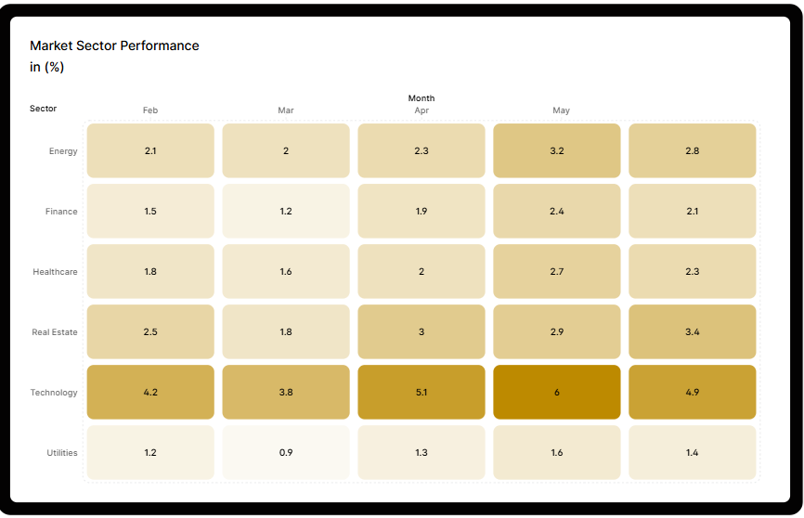
Latest News and Market Alerts


Heatmap created with Graphy.app, News from Yahoo Finance, Charts created with Excel

